GROUP 1
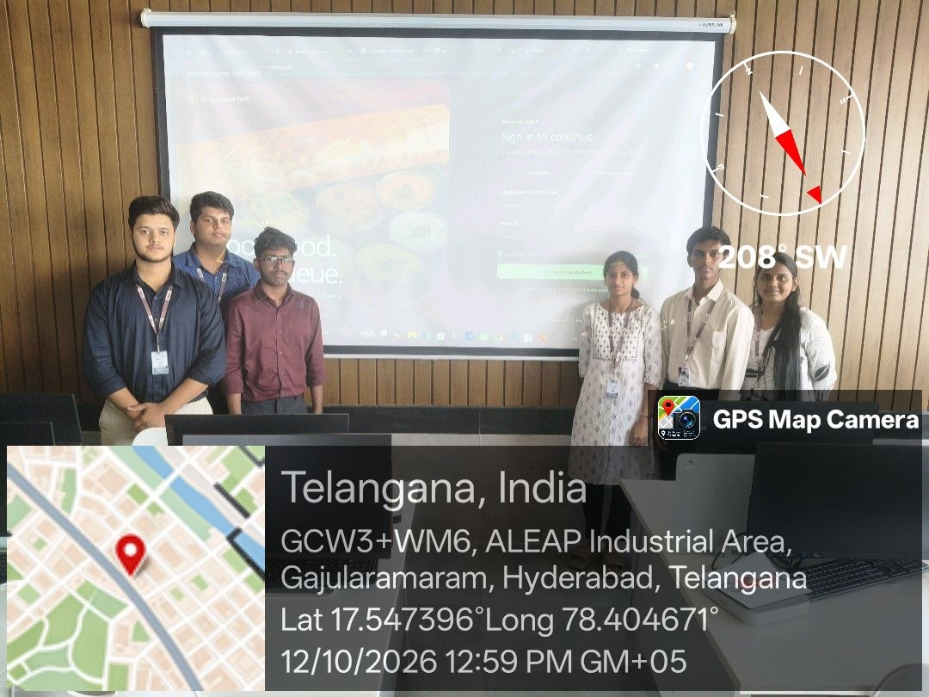
 |  |  |  |  |  |  |  |  |  |  |  |  |  |  |  |  |  |  |  |  | Active Participation | Total(30) | Continuous Evaluation -Project | Total(30) | Field-study Review | Total(30)
 |  |  |  |  |  |  |  |  |  |  |  |  |  |  |  |  |  |  |  |  | CO1+CO2+CO3 |  | CO1+CO2+CO3 |  | CO1+CO2+CO3
S.No. | Name | Roll No. | Group No. | Ttile of the Project | Section | Cluster | No. of students in the group | 2026-10-08 | 14-08-2026 | 17/08/2026 | 21/08/2026 | 24/08/2026 | 28/08/26 | 31/08/26 | 4/9/26 | 7/9/26 | 11/9/26 | 14/9/26 | 18/9/26 | 21/9/26
1 | M.N.Hyder | 2620030257 | 1 | Campus Management System / Food-Tech / SaaS | 13 | 4 | 6 | Design | Research | Digital Designs | Work out activity | Lecture | Lecture | Lecture | Analysis | Design | ANALYSIS | Lecture | Brainstorming | Lecture | 9 + 8+ 9 | 26 | 9 + 8+ 7 | 25
2 | Lokesh | 2620030368 | 1 | Campus Management System / Food-Tech / SaaS | 13 | 4 | 6 | Analysis | Design | Design Thinking | Work out activity | Lecture | Lecture | Lecture | Ideation | Design | ANALYSIS | Lecture | Brainstorming | Lecture | 9 + 8+ 5 | 25 | 9 + 7+ 9 | 25
3 | Kaushal | 2620030159 | 1 | Campus Management System / Food-Tech / SaaS | 13 | 4 | 6 | Design | Analysis | Building App | Work out activity | Lecture | Lecture | Lecture | Brainstorm | Design | ANALYSIS | Lecture | Brainstorming | Lecture | 9 + 9+ 10 | 28 | 9 + 8+ 10 | 27
4 | Sreekar | 2620030478 | 1 | Campus Management System / Food-Tech / SaaS | 13 | 4 | 6 | Analysis | Digital Designs | Analysing Design | Work out activity | Lecture | Lecture | Lecture | Analysis | Design | ANALYSIS | Lecture | Brainstorming | Lecture | 9 + 7+ 9 | 25 | 9 + 8+ 9 | 26
5 | Akshitha | 2620030222 | 1 | Campus Management System / Food-Tech / SaaS | 13 | 4 | 6 | Design | Analysis | Research | Work out activity | Lecture | Lecture | Lecture | Analysis | Design | ANALYSIS | Lecture | Brainstorming | Lecture | 9 + 8+ 5 | 25 | 9 + 8+ 9 | 26
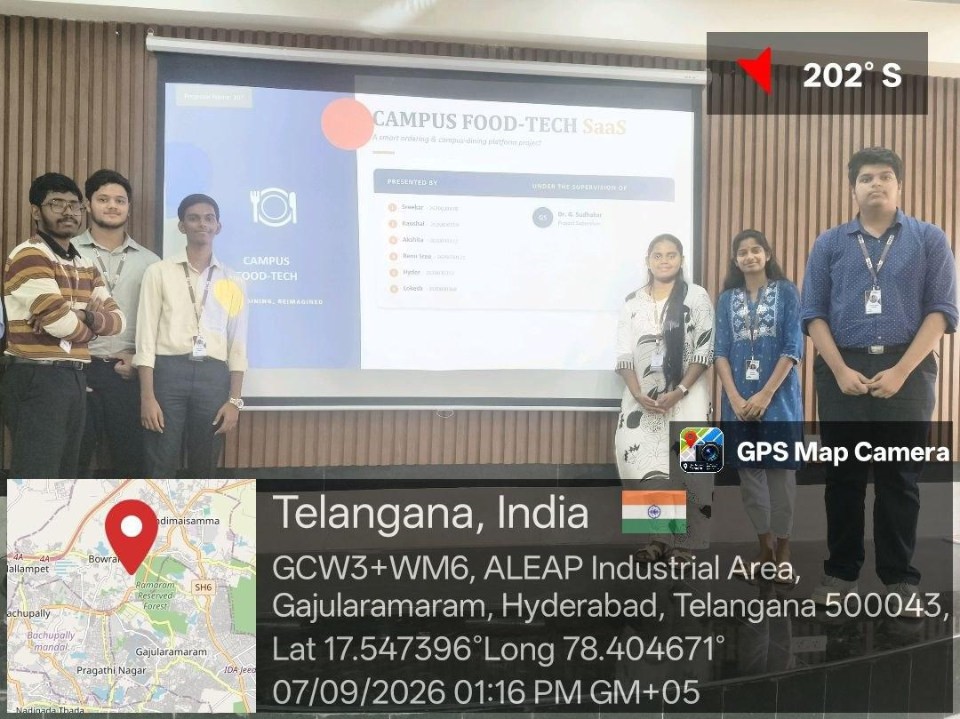
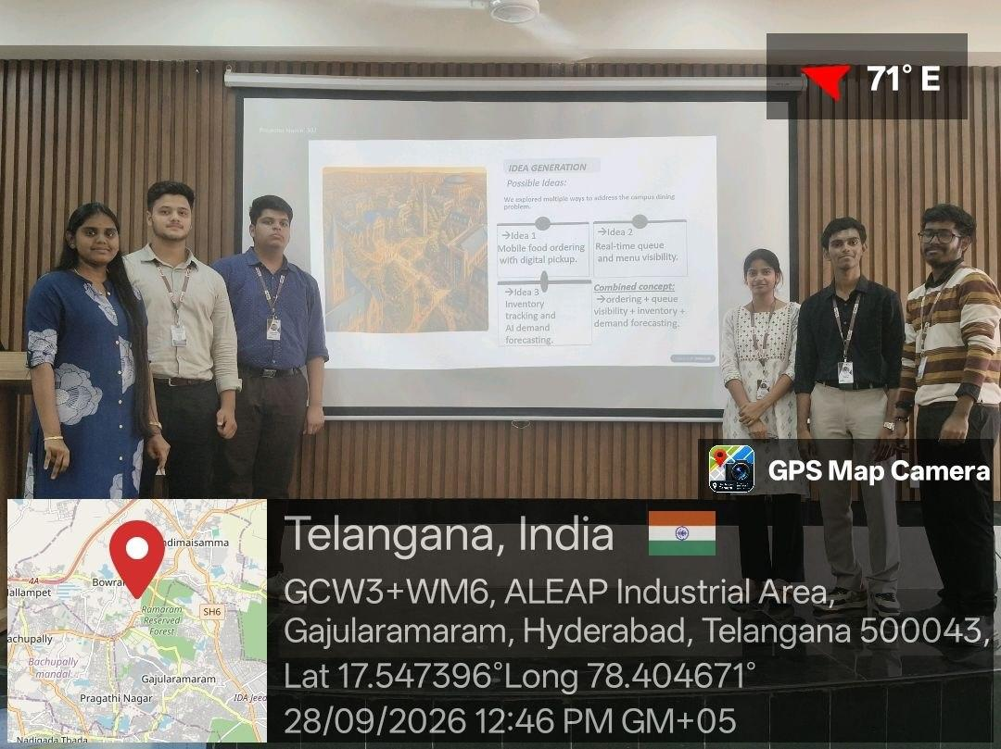
6 | Renu Sree | 2620030171 | 1 | Campus Management System / Food-Tech / SaaS | 13 | 4 | 6 | Analysis | Analysis | Research | Work out activity | Lecture | Lecture | Lecture | Analysis | Design | ANALYSIS | Lecture | Brainstorming | Lecture | 9 + 8+ 9 | 26 | 9 + 7+ 9 | 25

 |  |  |  |  |  |  |  |  |  |  |  | 05/10/2026 | 12/10/26
 |  |  |  |  |  |  |  |  |  |  |  | Presentation Session | Prototype Demo
 |  |  |  |  |  |  |  |  |  |  |  | Presentation Session | Prototype Demo
 |  |  |  |  |  |  |  |  |  |  |  | Presentation Session | Prototype Demo
 |  |  |  |  |  |  |  |  |  |  |  | Presentation Session | Prototype Demo
 |  |  |  |  |  |  |  |  |  |  |  | Presentation Session | Prototype Demo
 |  |  |  |  |  |  |  |  |  |  |  | Presentation Session | Prototype Demo

GROUP 2
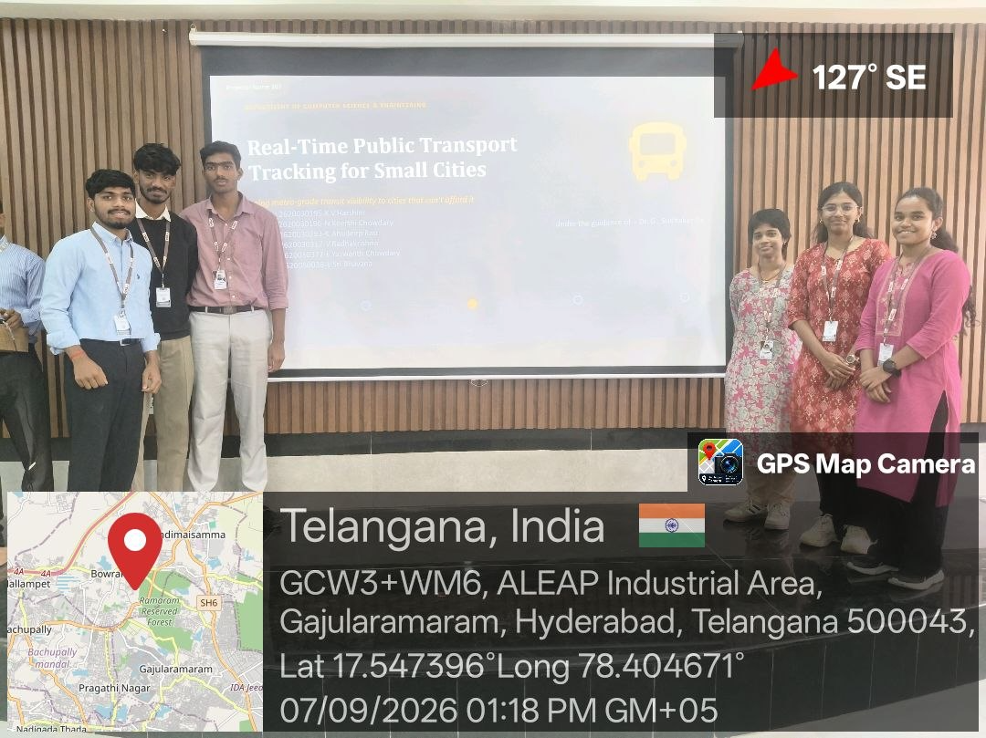
 |  |  |  |  |  |  |  |  |  |  |  |  |  |  |  |  |  |  |  |  |  | Active Participation | Total(30) | Continuous Evaluation -Project | Total(30) | Field-study Review | Total(30)
 |  |  |  |  |  |  |  |  |  |  |  |  |  |  |  |  |  |  |  |  |  | CO1+CO2+CO3 |  | CO1+CO2+CO3 |  | CO1+CO2+CO3
S.no | Names | Roll No | Group No | Title of the problem Statement | Section | Cluster | No. of students in the group | 2026-07-08 | 2026-10-08 | 14-08-2026 | 17/08/2026 | 21/08/2026 | 24/08/2026 | 28/08/26 | 31/08/26 | 4/9/26 | 7/9/26 | 11/9/26 | 14/9/26 | 18/9/26 | 21/9/26
1 | E.Yashwanth chowdary | 2620030377 | 2 | Real-Time Public Transport Tracking for small cities | 13 | 4 | 6 | Discussion | Analysis | app analysis | Digital Designs | Work out activity | Lecture | Lecture | Lecture | Analysis | Design | ANALYSIS | Lecture | Brainstorming | Lecture | 9 + 8+ 9 | 26 | 9 + 8+ 7 | 25
2 | K.Anudeep Rao | 2620030283 | 2 | Real-Time Public Transport Tracking for small cities | 13 | 4 | 6 | Discussion | Analysis | Analysis | Design Thinking | Work out activity | Lecture | Lecture | Lecture | Ideation | Design | ANALYSIS | Lecture | Brainstorming | Lecture | 9 + 8+ 5 | 25 | 9 + 7+ 9 | 25
3 | V.Radhakrishna | 2620030317 | 2 | Real-Time Public Transport Tracking for small cities | 13 | 4 | 6 | Discussion | Design | Design | Building App | Work out activity | Lecture | Lecture | Lecture | Brainstorm | Design | ANALYSIS | Lecture | Brainstorming | Lecture | 9 + 9+ 10 | 28 | 9 + 8+ 10 | 27
4 | KV.Harshini | 2620030195 | 2 | Real-Time Public Transport Tracking for small cities | 13 | 4 | 6 | Discussion | Analysis | Analysis | Analysing Design | Work out activity | Lecture | Lecture | Lecture | Analysis | Design | ANALYSIS | Lecture | Brainstorming | Lecture | 9 + 7+ 9 | 25 | 9 + 8+ 9 | 26
5 | N.Keerthi Chowdary | 2620030196 | 2 | Real-Time Public Transport Tracking for small cities | 13 | 4 | 6 | Discussion | Design | Research | Research | Work out activity | Lecture | Lecture | Lecture | Analysis | Design | ANALYSIS | Lecture | Brainstorming | Lecture | 9 + 8+ 5 | 25 | 9 + 8+ 9 | 26
6 | V.Sri Bhavana | 2620080038 | 2 | Real-Time Public Transport Tracking for small cities | 13 | 4 | 6 | Discussion | Design | Research | Research | Work out activity | Lecture | Lecture | Lecture | Analysis | Design | ANALYSIS | Lecture | Brainstorming | Lecture | 9 + 8+ 9 | 26 | 9 + 7+ 9 | 25

Group 3
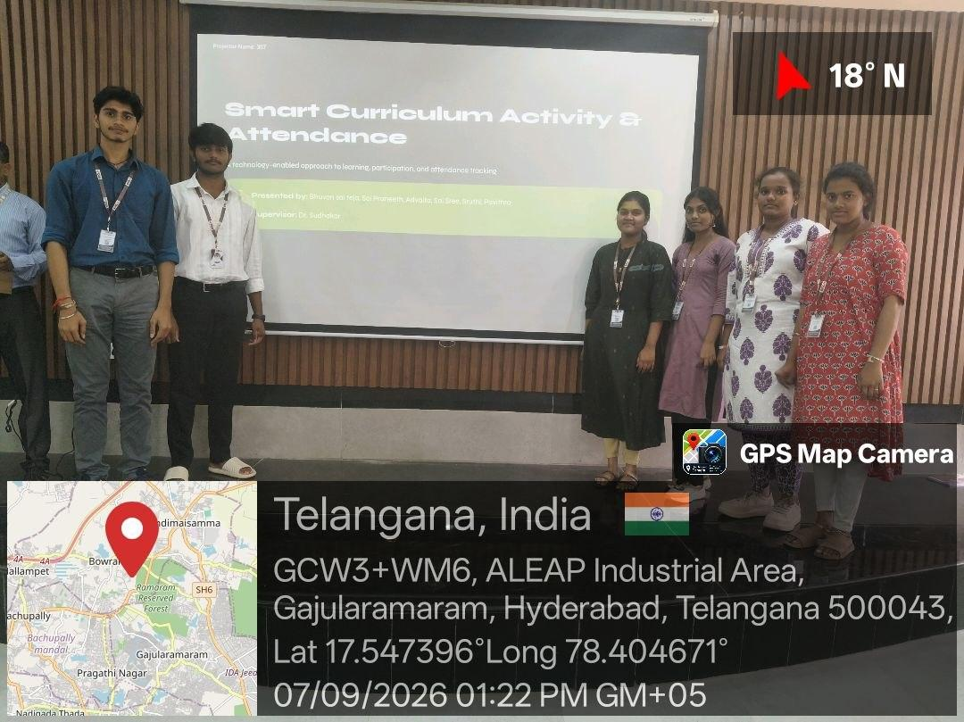
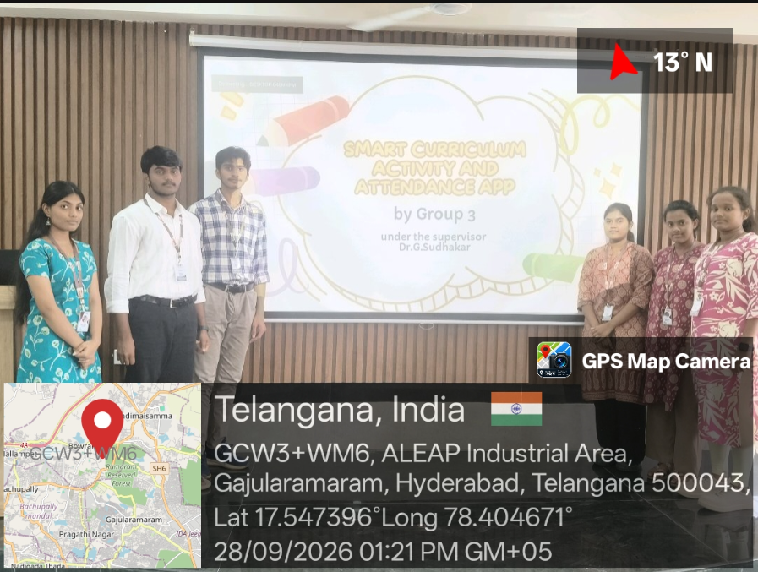
 |  |  |  |  |  |  |  |  |  |  |  |  |  |  |  |  |  |  |  |  | Active Participation | Total(30) | Continuous Evaluation -Project | Total(30) | Field-study Review | Total(30)
 |  |  |  |  |  |  |  |  |  |  |  |  |  |  |  |  |  |  |  |  | CO1+CO2+CO3 |  | CO1+CO2+CO3 |  | CO1+CO2+CO3
S.No | Names | Roll no | Group no | Title of the problem of the statement | Cluster | No. of the students | 07/08/2026 | 14/08/2026 | 17/08/2026 | 21/08/2026 | 24/08/2026 | 28/08/2026 | 31/08/2026 | 04/09/2026 | 07/09/2026 | 11/09/2026 | 14/09/2026 | 18/09/2026 | 21/09/2026 | 28/09/2026
1 | Bhuvan | 2620030671 | 3 | Smart curriculum activity and attendance app | 4 | 6 | Design | Analysis | Practical works | Analysis | Digital Designs | PPT making | Workout activity | Lecture | Update PPT | Rated AI | Brainstorming | Class | PPT making | PPT Presentation | 9 + 8+ 9 | 26 | 9 + 8+ 7 | 25
2 | Praneeth | 2620030624 | 3 | Smart curriculum activity and attendance app | 4 | 6 | Analysis | Smart Reasearch | Digital research | Smart Research | Design Thinking | PPT making | PPT making | Lecture | Update PPT | Rated AI | Brainstorming | Class | Building App | PPT Presentation | 9 + 8+ 5 | 25 | 9 + 7+ 9 | 25
3 | Advaita | 2620040161 | 3 | Smart curriculum activity and attendance app | 4 | 6 | Research | Design thinking | Data analysis | Data Analysis | Building App | PPT Analysisng | PPT making | Lecture | PPT making | Rated AI | Brainstorming | Class | Analysing Design | PPT Presentation | 9 + 9+ 10 | 28 | 9 + 8+ 10 | 27
4 | Sruthi | 2620030044 | 3 | Smart curriculum activity and attendance app | 4 | 6 | Execution | Verification | App analysis | Update | Analysing Design | Research | Research | Lecture | Building app | Rated AI | Brainstorming | Class | Research | PPT Presentation | 9 + 7+ 9 | 25 | 9 + 8+ 9 | 26
5 | Sai Sree | 2620030028 | 3 | Smart curriculum activity and attendance app | 4 | 6 | Verified Data | Update | Planning | Design Thinking | Research | Design Thinking | Building app | Lecture | Designs in PPT | Rated AI | Brainstorming | Class | Designs in PPt | PPT Presentation | 9 + 8+ 5 | 25 | 9 + 8+ 9 | 26
6 | Pavithra | 2620030280 | 3 | Smart curriculum activity and attendance app | 4 | 6 | Planning | Reasearch | Building app | Verification | PPT Presentation | Planning | Design Thinking | Lecture | Activity Research | Rated AI | Brainstorming | Class | Data Analysis | PPT Presentation | 9 + 8+ 9 | 26 | 9 + 7+ 9 | 25

Group 4
 |  |  |  |  |  |  |  |  |  |  |  |  |  |  |  |  |  |  |  | Active Participation | Total(30) | Continuous Evaluation -Project | Total(30) | Field-study Review | Total(30)
 |  |  |  |  |  |  |  |  |  |  |  |  |  |  |  |  |  |  |  | CO1+CO2+CO3 |  | CO1+CO2+CO3 |  | CO1+CO2+CO3
0.....................................................................................................................................................................................................................................................0.............................00000000000 | Names | Roll No | Group No | Title of the problem Statement | Section | No of students in Group | Cluster | 2026-07-08 | 14/08/26 | 17/08/26 | 24/08/26 | 28/08/2026 | 31/08/26 | 4/9/26 | 7/9/26 | 11/9/26 | 14/9/26 | 18/9/26 | 21/9/26
1 | Ritika Sambha | 2620090062 | 4 | Gamified Environmental Education Platform for School and colleges | 13 | 6 | 4 | Tittle selection | Design | Analysis | Ppt analysis | ppt analyze | Lecture | Analysis | Design | ANALYSIS | Lecture | Brainstorming | Lecture | 9 + 8+ 9 | 26 | 9 + 8+ 7 | 25
2 | Asritha | 2620030457 | 4 | Gamified Environmental Education Platform for School and colleges | 13 | 6 | 4 | Tittle selection | Research | Digital research | Ppt analysis | ppt analyze | Lecture | Ideation | Design | ANALYSIS | Lecture | Brainstorming | Lecture | 9 + 8+ 5 | 25 | 9 + 7+ 9 | 25
3 | Vedha Samhitha | 2620030480 | 4 | Gamified Environmental Education Platform for School and colleges | 13 | 6 | 4 | Tittle selection | Verification | Data analysis | Ppt analysis | ppt analyze | Lecture | Brainstorm | Design | ANALYSIS | Lecture | Brainstorming | Lecture | 9 + 9+ 10 | 28 | 9 + 8+ 10 | 27
4 | Divija Laxmi | 2620030338 | 4 | Gamified Environmental Education Platform for School and colleges | 13 | 6 | 4 | Tittle selection | Analysis | App analysis | Ppt analysis | ppt analyze | Lecture | Analysis | Design | ANALYSIS | Lecture | Brainstorming | Lecture | 9 + 7+ 9 | 25 | 9 + 8+ 9 | 26
5 | Rudra | 2620090040 | 4 | Gamified Environmental Education Platform for School and colleges | 13 | 6 | 4 | Tittle selection | Execution | Planning | Ppt analysis | ppt analyze | Lecture | Analysis | Design | ANALYSIS | Lecture | Brainstorming | Lecture | 9 + 8+ 5 | 25 | 9 + 8+ 9 | 26
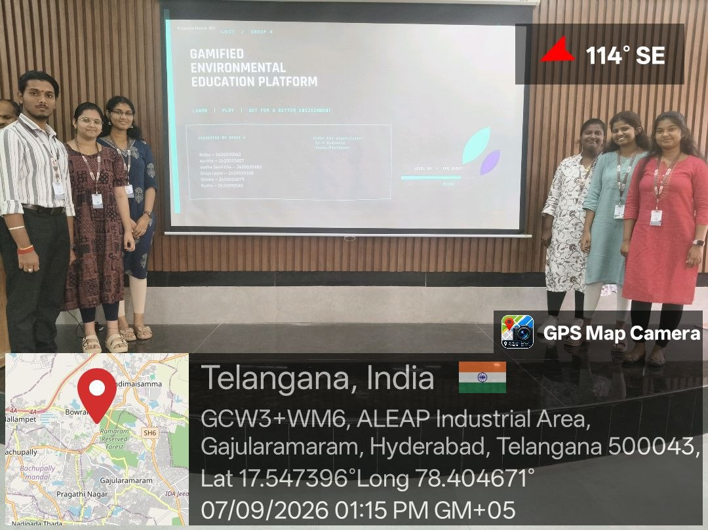
6 | Shloka | 2620030679 | 4 | Gamified Environmental Education Platform for School and colleges | 13 | 6 | 4 | Tittle selection | Planning | Planning | Ppt analysis | ppt analyze | Lecture | Analysis | Design | ANALYSIS | Lecture | Brainstorming | Lecture | 9 + 8+ 9 | 26 | 9 + 7+ 9 | 25

 |  |  |  |  |  |  |  | 05/10/2026
 |  |  |  |  |  |  |  | Presentation Session
 |  |  |  |  |  |  |  | Presentation Session
 |  |  |  |  |  |  |  | Presentation Session
 |  |  |  |  |  |  |  | Presentation Session
 |  |  |  |  |  |  |  | Presentation Session
 |  |  |  |  |  |  |  | Presentation Session

GROUP 5
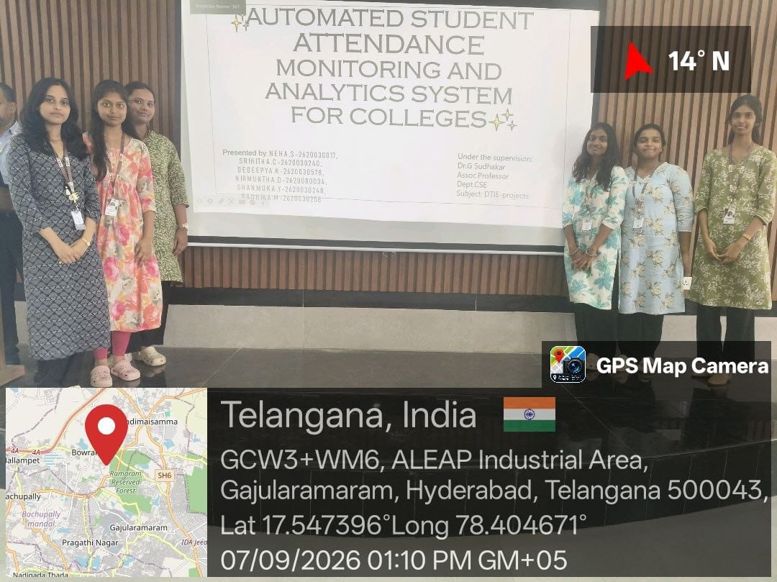
 |  |  |  |  |  |  |  |  |  |  |  |  |  |  |  |  |  | Active Participation | Total(30) | Continuous Evaluation -Project | Total(30) | Field-study Review | Total(30)
 |  |  |  |  |  |  |  |  |  |  |  |  |  |  |  |  |  | CO1+CO2+CO3 |  | CO1+CO2+CO3 |  | CO1+CO2+CO3
 | Roll No | Group No | Title of the problem Statement | Section | Cluster | No of students in Group | 2026-07-08 | 14-08-26 | 17-08-26 | 24/08/2026 | 31/08/2026 | 2026-04-09 | 2026-07-09 | 2026-11-09 | 14-09-26 | 18-09-26 | 21-09-26
NEHA.S - 8 | 2620030017 | 5 | Automated student attendance monitoring and analytics sytsem for colleges | 13 | 4 | 6 | discussion | design | introduction of work flow process | Digital Designs | Work out activity | Digital Designs | Lecture | Lecture | Digital Designs | Digital Designs | Digital Designs | 9 + 8+ 9 | 26 | 9 + 8+ 7 | 25
SRIHITHA.C - 7 | 2620080034 | 5 | Automated student attendance monitoring and analytics sytsem for college | 13 | 4 | 6 | title selection | research | introduction of work flow process | Design Thinking | Work out activity | Design Thinking | Lecture | Lecture | Design Thinking | Design Thinking | Design Thinking | 9 + 8+ 5 | 25 | 9 + 7+ 9 | 25
DEDEEPYA.K - 8 | 2620030578 | 5 | Automated student attendance monitoring and analytics sytsem for colleges | 13 | 4 | 6 | title selection | analysis | introduction of work flow process | Building App | Work out activity | Building App | Lecture | Lecture | Building App | Building App | Building App | 9 + 9+ 10 | 28 | 9 + 8+ 10 | 27
NIRMUKTHA.D -7 | 2620030240 | 5 | Automated student attendance monitoring and analytics sytsem for colleges | 13 | 4 | 6 | title selection | absent | introduction of work flow process | Analysing Design | Work out activity | Analysing Design | Lecture | Lecture | Analysing Design | Analysing Design | Analysing Design | 9 + 7+ 9 | 25 | 9 + 8+ 9 | 26
SHANMUKA.Y - 7 | 2620030248 | 5 | Automated student attendance monitoring and analytics sytsem for colleges | 13 | 4 | 6 | title selection | absent | introduction of work flow process | Research | Work out activity | Research | Lecture | Lecture | Research | Research | Research | 9 + 8+ 5 | 25 | 9 + 8+ 9 | 26
RADHIKA.M - 8 | 2620030258 | 5 | Automated student attendance monitoring and analytics sytsem for colleges | 13 | 4 | 6 | discussion | planning | introduction of work flow process | Research | Work out activity | Research | Lecture | Lecture | Research | Research | Research | 9 + 8+ 9 | 26 | 9 + 7+ 9 | 25

Group 6
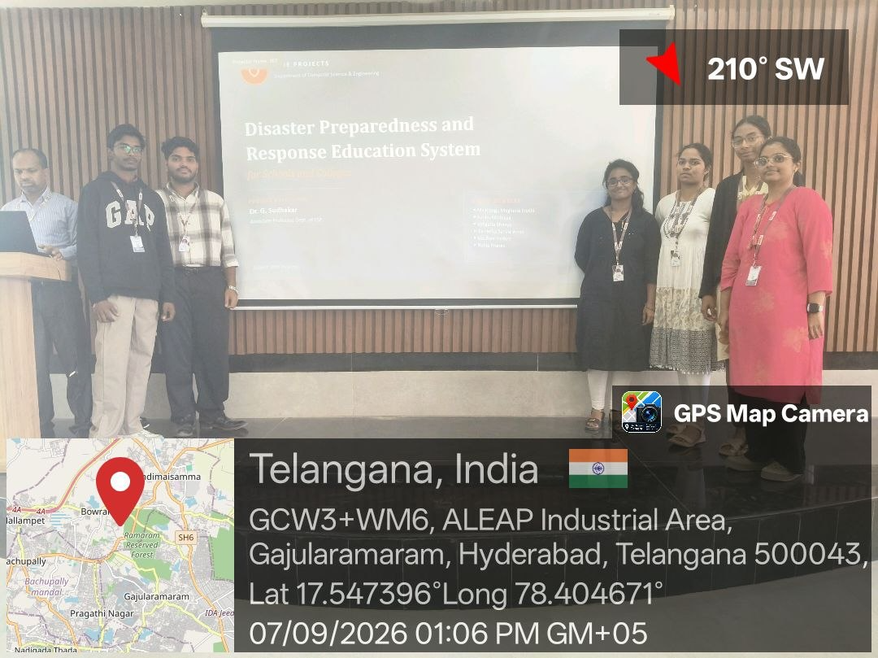
 |  |  |  |  |  |  |  |  |  |  |  |  |  |  | Active Participation | Total(30) | Continuous Evaluation -Project | Total(30) | Field-study Review | Total(30)
 |  |  |  |  |  |  |  |  |  |  |  |  |  |  | CO1+CO2+CO3 |  | CO1+CO2+CO3 |  | CO1+CO2+CO3
NAME | Roll No. | Group No. | Ttile of the Project | Section | Cluster | NO. of members | 07/08/2026 | 14/08/2026 | 17/08/2026 | 28/08/2026 | 31/08/2026 | 07/09/2026 | 11/09/2026 | 21/09/2026
Vaishnav | 2620030303 | 6 | disaster preparedness and response education system for schools and colleges | 13 | 4 | 6 | discussion | design | Discussion on work flow | Abstract analysis | workout activity | Lecture | Rated Ai Exam | Lecture | 9 + 8+ 9 | 26 | 9+8+9 | 26
Pranav | 2620090017 | 6 | disaster preparedness and response education system for schools and colleges | 13 | 4 | 6 | discussion | analysis | Discussion on work flow | Abstract analysis | workout activity | Lecture | Rated Ai Exam | Lecture | 9 + 8+ 5 | 25 | 9+8+9 | 26
Meghana | 2620030293 | 6 | disaster preparedness and response education system for schools and colleges | 13 | 4 | 6 | discussion | research | Discussion on work flow | Abstract analysis | workout activity | Lecture | Rated Ai Exam | Lecture | 9 + 9+ 10 | 28 | 9 + 8+ 10 | 27
Bhavya | 2620030177 | 6 | disaster preparedness and response education system for schools and colleges | 13 | 4 | 6 | discussion | execution | Discussion on work flow | Abstract analysis | workout activity | Lecture | Rated Ai Exam | Lecture | 9 + 7+ 9 | 25 | 9 + 8+ 9 | 26
Abhinaya | 2620030366 | 6 | disaster preparedness and response education system for schools and colleges | 13 | 4 | 6 | discussion | planning | Discussion on work flow | Abstract analysis | workout activity | Lecture | Rated Ai Exam | Lecture | 9 + 8+ 5 | 25 | 9 + 8+ 9 | 26
Madhavi | 2620080102 | 6 | disaster preparedness and response education system for schools and colleges | 13 | 4 | 6 | discussion | verification | Discussion on work flow | Abstract analysis | workout activity | Lecture | Rated Ai Exam | Lecture | 9 + 8+ 9 | 26 | 9 + 7+ 9 | 25

Group 7
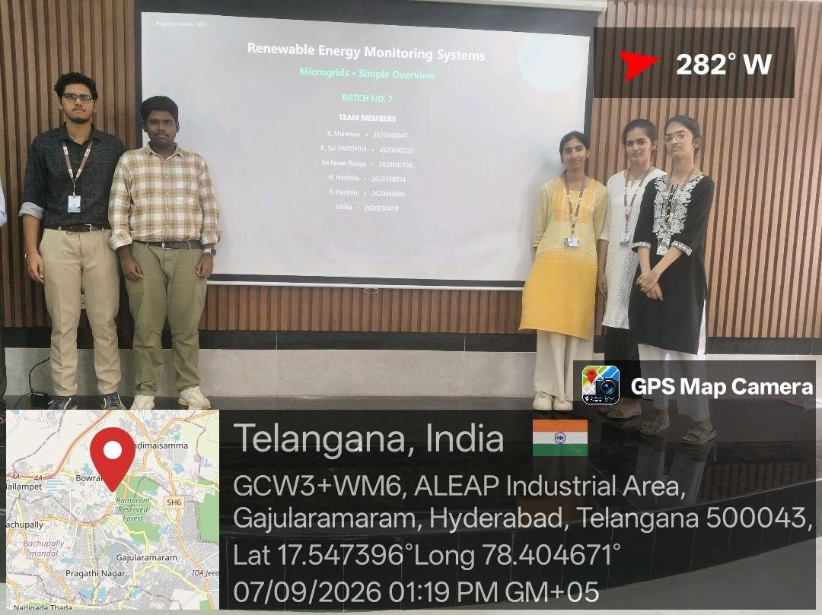
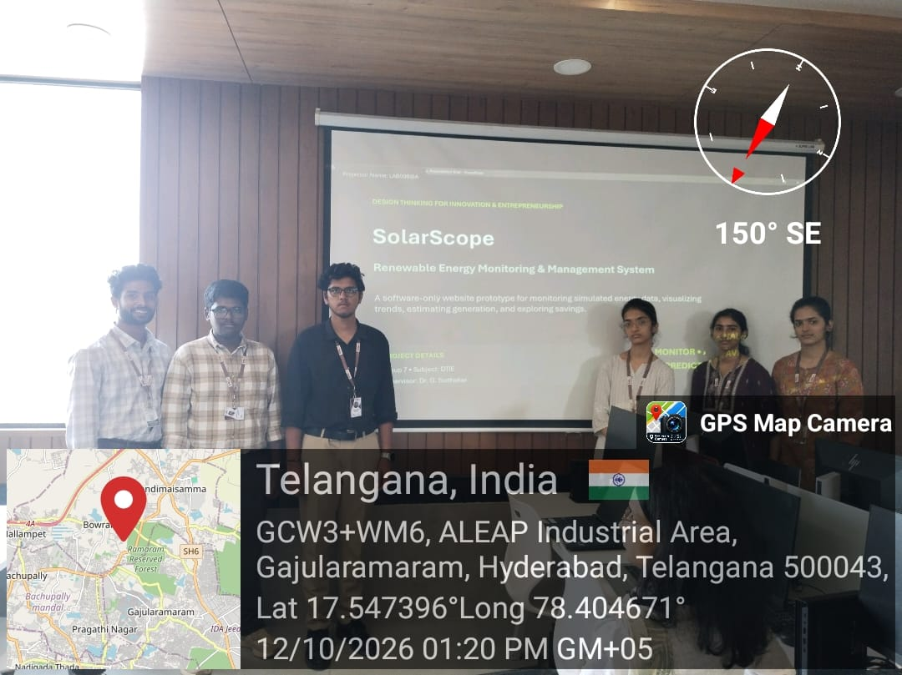
 |  |  |  |  |  |  |  |  |  |  |  |  |  |  | Active Participation | Total(30) | Continuous Evaluation -Project | Total(30) | Field-study Review | Total(30)
 |  |  |  |  |  |  |  |  |  |  |  |  |  |  | CO1+CO2+CO3 |  | CO1+CO2+CO3 |  | CO1+CO2+CO3
Names | Roll no | Group | Title of the problem statement | section | cluster | no of students | 07/08/2026 | 14/08/2026 | 17/08/2026 | 24/08/2026 | 28/08/2026 | 31/08/2026 | 07/09/2026 | 21/09/2026 |  |  |  |  |  |  | 05/10/2026 | 12/10/2026
SHANMUK - 7 | 2620040047 | 7 | Renewable Energy Monitoring System or Microgrids | 13 | 4 | 6 | discussion | analysis | introduction of work flow chart | PPT making | ppt analyze | workout activity | persentation | lecture | 9 + 8+ 9 | 26 | 9 + 8+ 7 | 25 |  |  | persentation | persentation
PAVAN RANGA - 7 | 2620040106 | 7 | Renewable Energy Monitoring System or Microgrids | 13 | 4 | 6 | discussion | research | introduction of work flow chart | PPT making | ppt analyze | workout activity | absent | lecture | 9 + 8+ 5 | 25 | 9 + 7+ 9 | 25 |  |  | persentation | persentation
SAI VARSHITH - 7 | 2620040129 | 7 | Renewable Energy Monitoring System or Microgrids | 13 | 4 | 6 | discussion | design | introduction of work flow chart | PPT making | ppt analyze | workout activity | persentation | lecture | 9 + 9+ 10 | 28 | 9 + 8+ 10 | 27 |  |  | persentation | persentation
HARSHINI - 5 | 2620040095 | 7 | Renewable Energy Monitoring System or Microgrids | 13 | 4 | 6 | discussion | execution | introduction of work flow chart | PPT making | ppt analyze | workout activity | persentation | lecture | 9 + 7+ 9 | 25 | 9 + 8+ 9 | 26 |  |  | persentation | persentation
HARSHITA - 7 | 2620030654 | 7 | Renewable Energy Monitoring System or Microgrids | 13 | 4 | 6 | discussion | planning | introduction of work flow chart | PPT making | ppt analyze | workout activity | persentation | lecture | 9 + 8+ 5 | 25 | 9 + 8+ 9 | 26 |  |  | persentation | persentation
ISHIKA - 5 | 2620030418 | 7 | Renewable Energy Monitoring System or Microgrids | 13 | 4 | 6 | discussion | verification | introduction of work flow chart | Absent | ppt analyze | workout activity | persentation | absent | 9 + 8+ 9 | 26 | 9 + 7+ 9 | 25 |  |  | persentation

GROUP 8
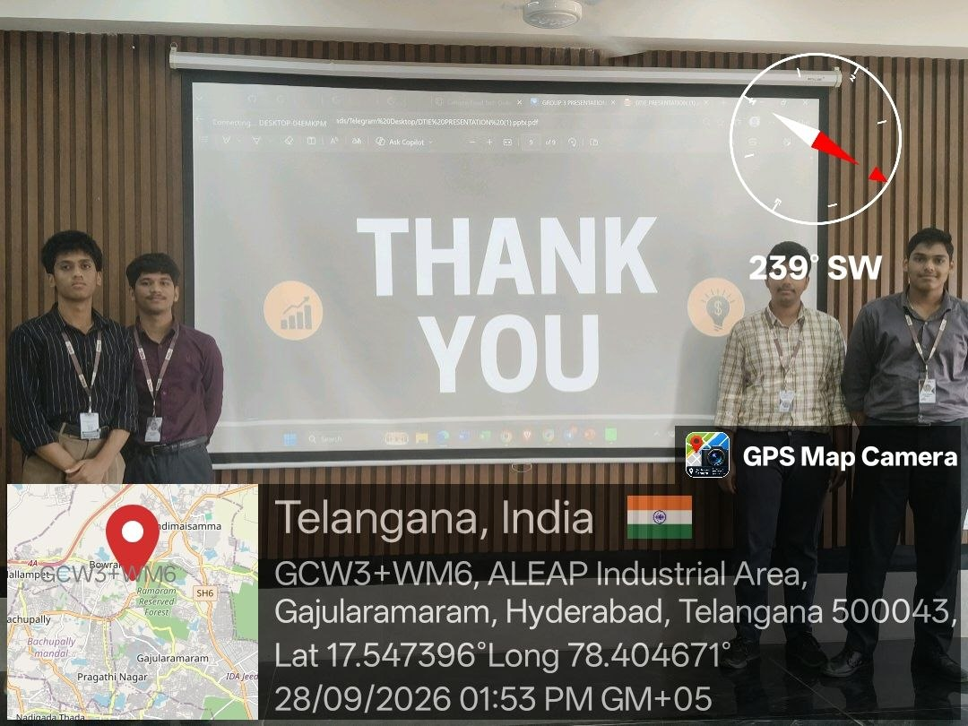
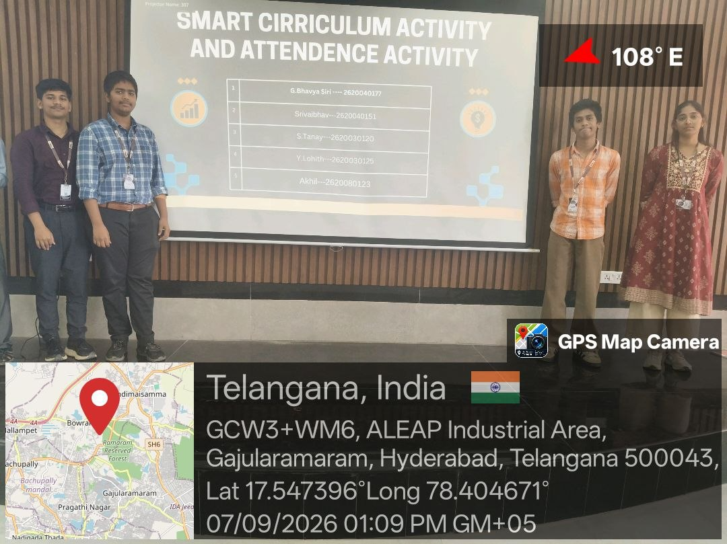
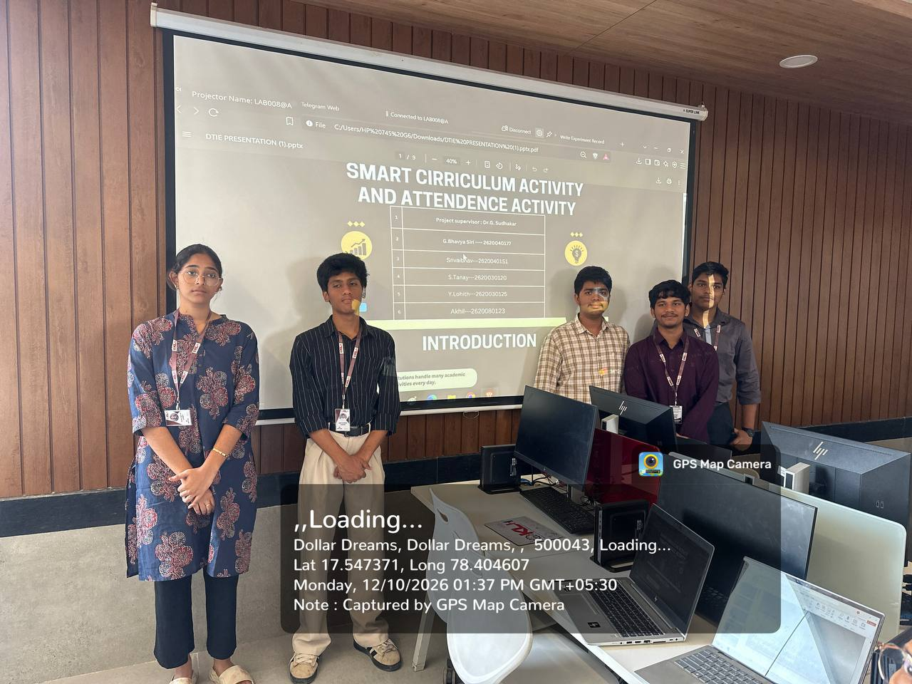
 |  |  |  |  |  |  |  |  |  |  |  |  |  |  |  |  |  |  | Active Participation | Total(30) | Continuous Evaluation -Project | Total(30) | Field-study Review | Total(30)
 |  |  |  |  |  |  |  |  |  |  |  |  |  |  |  |  |  |  | CO1+CO2+CO3 |  | CO1+CO2+CO3 |  | CO1+CO2+CO3
S No. | Name | Roll No. | Group No. | Ttile of the Project | Section | Cluster | No. of students in the group | 14-08-2026(1) | 17-08-2026 | 24-08-2026 | 28-08-2026 | 31-08-2026 | 2026-04-09 | 2026-07-09 | 2026-11-09 | 14-09-2026 | 18-09-2026 | 21-09-2026 |  |  |  |  |  |  | 2026-05-10 | 2026-12-10
1 | Srivaibhav | 2620040151 | 8 | Smart Curriculum Activities and Attendance App | 13 | 4 | 5 | planning | Research | PPT making | Abstract Analysis | Workout Activity | Lecture | Lecture(Problem Statement) | Rated Ai Exam | Ganesh chathurthi holiday | Mid-exams | lecture | 9 + 8+ 9 | 26 | 9 + 8+ 7 | 25 |  |  | presentation | presentation
2 | S.Tanay | 2620030120 | 8 | Smart Curriculum Activities and Attendance App | 13 | 4 | 5 | analysis | Research | PPT making | Abstract Analysis | Workout Activity | Lecture | Lecture(Problem Statement) | Rated Ai Exam | Ganesh chathurthi holiday | Mid-exams | lecture | 9 + 8+ 5 | 25 | 9 + 7+ 9 | 25 |  |  | presentation | presentation
3 | Y.Lohith | 2620030125 | 8 | Smart Curriculum Activities and Attendance App | 13 | 4 | 5 | research | Research | PPT making | Abstract Analysis | Workout Activity | Lecture | Lecture(Problem Statement) | Rated Ai Exam | Ganesh chathurthi holiday | Mid-exams | lecture | 9 + 9+ 10 | 28 | 9 + 8+ 10 | 27 |  |  | presentation | presentation
4 | Akhil | 2620080123 | 8 | Smart Curriculum Activities and Attendance App | 13 | 4 | 5 | design | Research | PPT making | Abstract Analysis | Workout Activity | Lecture | Lecture(Problem Statement) | Rated Ai Exam | Ganesh chathurthi holiday | Mid-exams | lecture | 9 + 7+ 9 | 25 | 9 + 8+ 9 | 26 |  |  | presentation | presentation
5 | G.Bhavya Siri | 2620040177 | 8 | Smart Curriculum Activities and Attendance App | 13 | 4 | 5 | execution | Research | PPT making | Abstract Analysis | Workout Activity | Lecture | Lecture(Problem Statement) | Rated Ai Exam | Ganesh chathurthi holiday | Mid-exams | lecture | 9 + 8+ 5 | 25 | 9 + 8+ 9 | 26 |  |  | presentation | presentation

Group 9
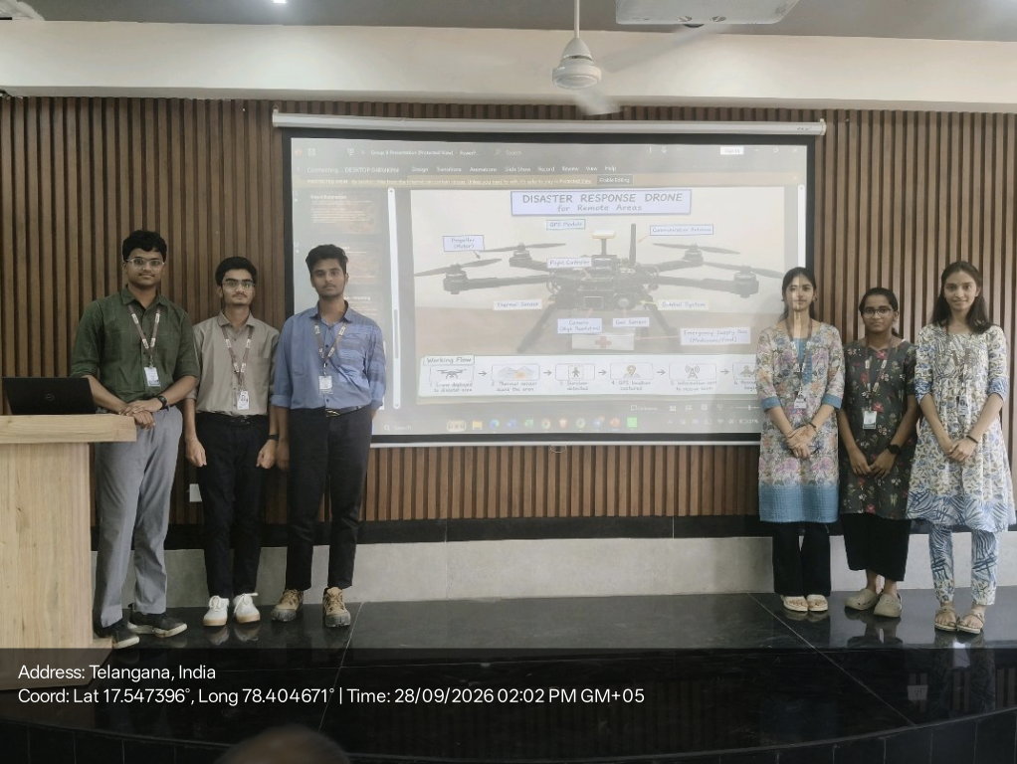
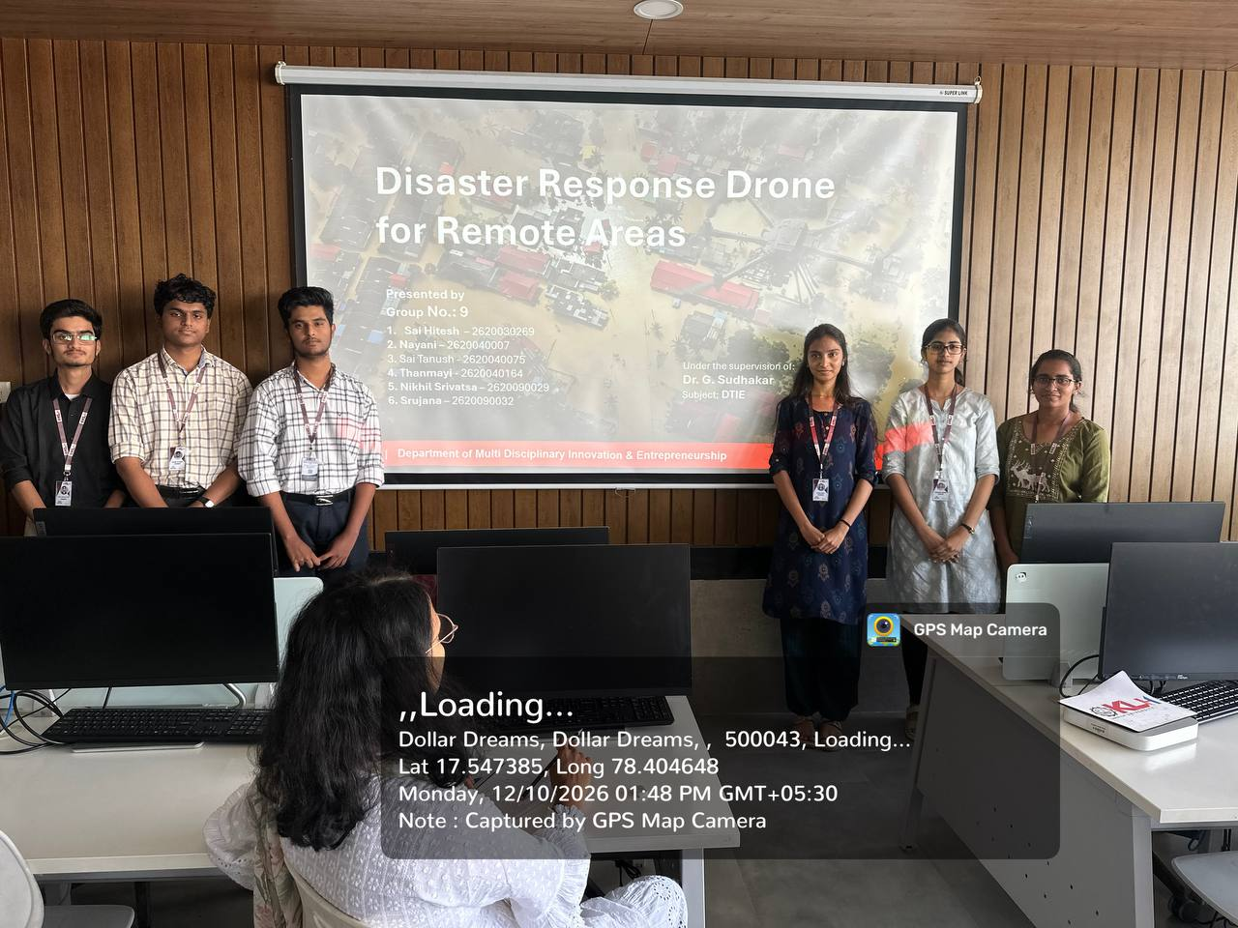
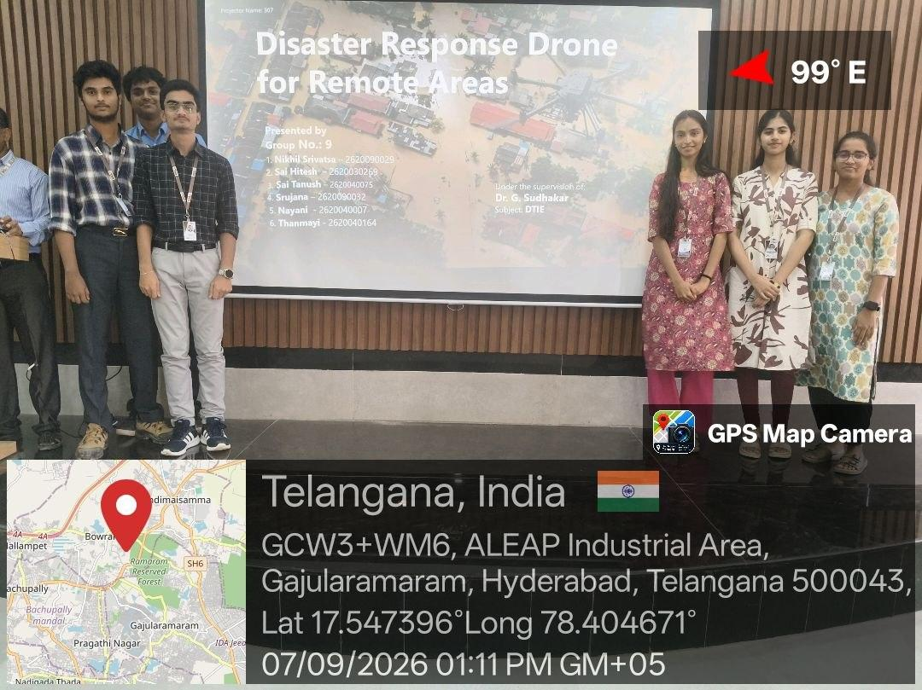
 |  |  |  |  |  |  |  |  |  |  |  |  |  |  |  |  |  |  |  | Active Participation | Total(30) | Continuous Evaluation -Project | Total(30) | Field-study Review | Total(30)
 |  |  |  |  |  |  |  |  |  |  |  |  |  |  |  |  |  |  |  | CO1+CO2+CO3 |  | CO1+CO2+CO3 |  | CO1+CO2+CO3
S.No | Roll No | Name | Group No | Title of the problem Statement | Section | Cluster | No of students in Group | 30/07/2026(1) | 07/08/2026(1) | 14/08/2026 (1) | 17/08/2026(2) | 24/08/2026(2) | 28/08/2026(1) | 31/08/2026(2) | 07/09/2026(2) | 11/09/2026(1) | 14/09/2026(2) | 18/09/2026(1) | 21/09/2026(2) |  |  |  |  |  |  | 28/09/2026(2) | 05/10/2026 | 12/10/2026
1 | 2620040075 | Sai Tanush | 9 | Disaster Response Drone for Remote Areas | S13 | c4 | 6 | Introduction to Design Thinking | Discussing Project Title | Research | Design Analysis | PPT making | Abstract Analysis | Workout Activity | Lecture(Problem Statement) | Analysis | Lecture | brainstorming | Lecture | 9 + 8+ 9 | 26 | 9 + 8+ 7 | 25 |  |  | PPT presentation | PPT presentation | PPT presentation
2 | 2620030269 | Sai Hitesh | 9 | Disaster Response Drone for Remote Areas | S13 | c4 | 6 | Introduction to Design Thinking | Discussing Project Title | Design | Design Analysis | PPT making | Abstract Analysis | Workout Activity | Lecture(Problem Statement) | Analysis | Lecture | brainstorming | Lecture | 9 + 8+ 5 | 25 | 9 + 7+ 9 | 25 |  |  | PPT presentation | PPT presentation | PPT presentation
3 | 2620090029 | Nikhil Srivatsa | 9 | Disaster Response Drone for Remote Areas | S13 | c4 | 6 | Introduction to Design Thinking | Discussing Project Title | Verification | Design Analysis | PPT making | Abstract Analysis | Workout Activity | Lecture(Problem Statement) | Analysis | Lecture | brainstorming | Lecture | 9 + 9+ 10 | 28 | 9 + 8+ 10 | 27 |  |  | PPT presentation | PPT presentation | PPT presentation
4 | 2620090032 | Srujana | 9 | Disaster Response Drone for Remote Areas | S13 | c4 | 6 | Introduction to Design Thinking | Discussing Project Title | Research | Design Analysis | PPT making | Abstract Analysis | Workout Activity | Lecture(Problem Statement) | Analysis | Lecture | brainstorming | Lecture | 9 + 7+ 9 | 25 | 9 + 8+ 9 | 26 |  |  | PPT presentation | PPT presentation | PPT presentation
5 | 2620040164 | Thanmayi | 9 | Disaster Response Drone for Remote Areas | S13 | c4 | 6 | Introduction to Design Thinking | Discussing Project Title | Analysis | Design Analysis | PPT making | Abstract Analysis | Workout Activity | Lecture(Problem Statement) | Analysis | Lecture | brainstorming | Lecture | 9 + 8+ 5 | 25 | 9 + 8+ 9 | 26 |  |  | PPT presentation | PPT presentation | PPT presentation
6 | 2620040007 | Nayani | 9 | Disaster Response Drone for Remote Areas | S13 | c4 | 6 | Introduction to Design Thinking | Discussing Project Title | Planning | Design Analysis | PPT making | Abstract Analysis | Workout Activity | Lecture(Problem Statement) | Analysis | Lecture | brainstorming | Lecture | 9 + 8+ 9 | 26 | 9 + 7+ 9 | 25 |  |  | PPT presentation | PPT presentation | PPT presentation

group 11
 |  |  |  |  |  |  |  |  |  |  |  |  |  |  |  |  |  |  |  |  |  |  |  | Active Participation | Total(30) | Continuous Evaluation -Project | Total(30) | Field-study Review | Total(30)
 |  |  |  |  |  |  |  |  |  |  |  |  |  |  |  |  |  |  |  |  |  |  |  | CO1+CO2+CO3 |  | CO1+CO2+CO3 |  | CO1+CO2+CO3
Roll No | Name | Group No | Title of the problem Statement | Section | Cluster | No of students in Group | 07/08/2026 | 10/08/2026 | 14/08/2026 | 17/08/2026 | 21/08/2026 | 24/08/2026 | 28/08/2026 | 31/08/2026 | 04/09/2026 | 07/09/2026 | 11/09/2026 | 14/09/2026 | 18/092026 | 21/09/2026 | 25/09/2026 | 28/09/2026 | 5/10/2026
2620090002 | K.ADITYA - 5 | 11 | AI-Based Crop Recommendation for Farmers | 13 | 4 | 4 | Project team formation | Bonalu Holiday | Analysis | Introduction to WorkFlow process | Varalakshmi Vratam Holiday | PPT Preparation for Proposal | Abstract Analysis | Workout activity | Krishnashtami Holiday | Lecture | Rated Ai Exam | Ganesh chathurthi holiday | Mid exam | Lecture | Ganesh Visarjan holiday | Project presentation | Project Presentation | 9 + 8+ 9 | 26 | 9 + 8+ 7 | 25
2620040048 | N.VARUN - 6 | 11 | AI-Based Crop Recommendation for Farmers | 13 | 4 | 4 | Project team formation | Bonalu Holiday | Planning | Introduction to WorkFlow process | Varalakshmi Vratam Holiday | PPT Preparation for Proposal | Abstract Analysis | Workout activity | Krishnashtami Holiday | Lecture | Rated Ai Exam | Ganesh chathurthi holiday | Mid exam | Lecture | Ganesh Visarjan holiday | Project presentation | Project Presentation | 9 + 8+ 5 | 25 | 9 + 7+ 9 | 25
2620030021 | BHIMANENI RISHITH - 7 | 11 | AI-Based Crop Recommendation for Farmers | 13 | 4 | 4 | Project team formation | Bonalu Holiday | Discussion | Introduction to WorkFlow process | Varalakshmi Vratam Holiday | PPT Preparation for Proposal | Abstract Analysis | Workout activity | Krishnashtami Holiday | Lecture | Rated Ai Exam | Ganesh chathurthi holiday | Mid exam | Lecture | Ganesh Visarjan holiday | Project presentation | Project Presentation | 9 + 9+ 10 | 28 | 9 + 8+ 10 | 27
2620090036 | SRI VISHWA CHAITANYA - 5 | 11 | AI-Based Crop Recommendation for Farmers | 13 | 4 | 4 | Project team formation | Bonalu Holiday | Discussion | Introduction to WorkFlow process | Varalakshmi Vratam Holiday | PPT Preparation for Proposal | Abstract Analysis | Workout activity | Krishnashtami Holiday | Lecture | Rated Ai Exam | Ganesh chathurthi holiday | Mid exam | Lecture | Ganesh Visarjan holiday | Project presentation | Project Presentation | 9 + 7+ 9 | 25 | 9 + 8+ 9 | 26
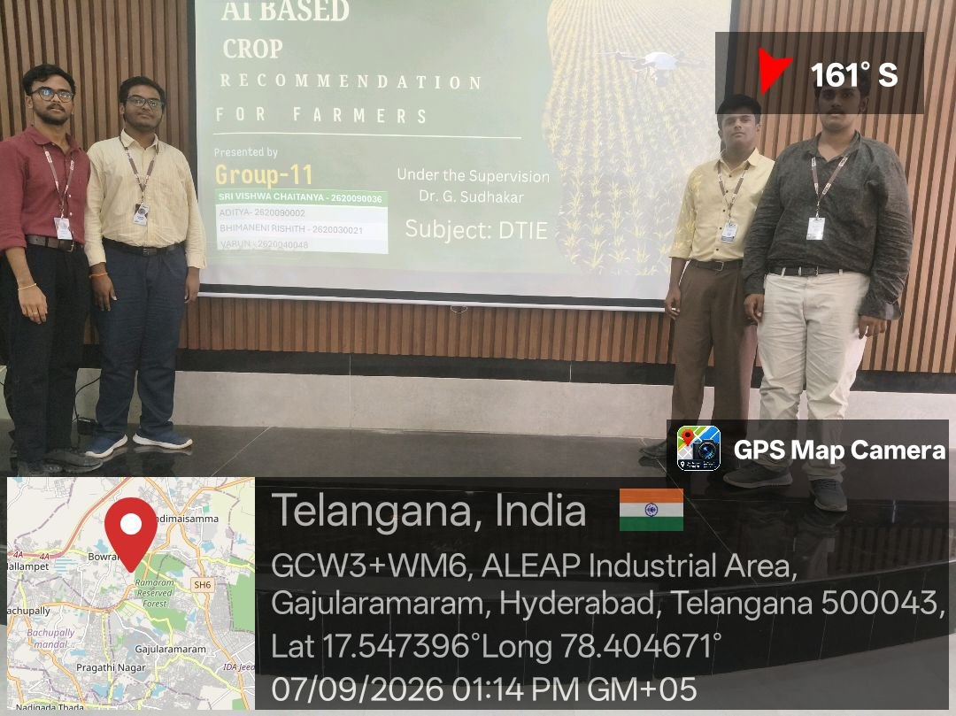
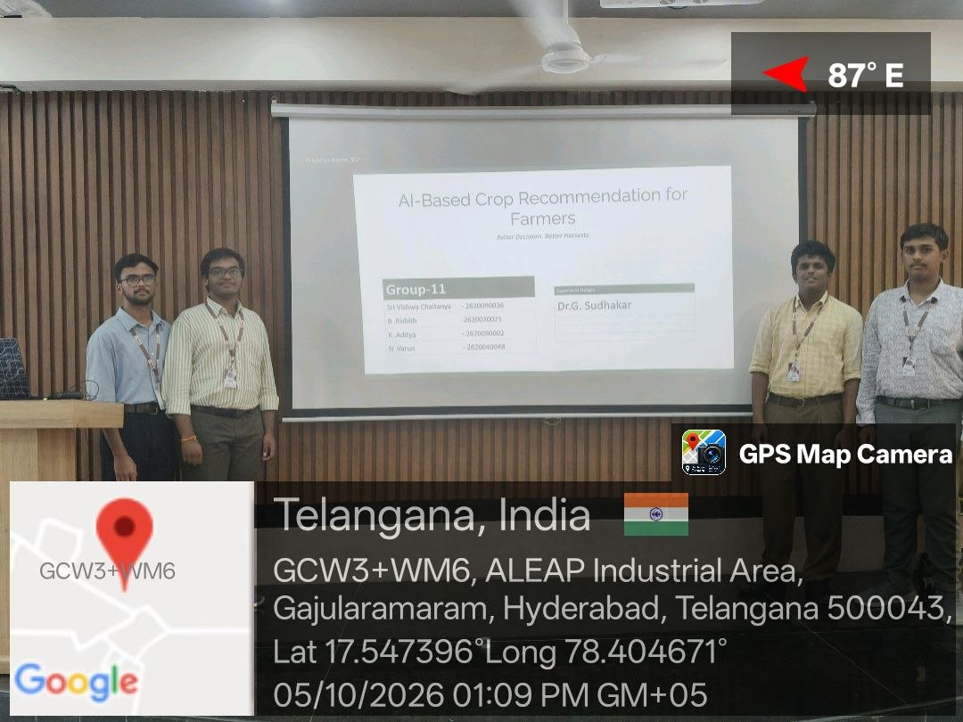
 |  |  |  |  |  |  | 12/10/2026
 |  |  |  |  |  |  | Project Presentation
 |  |  |  |  |  |  | Project Presentation
 |  |  |  |  |  |  | Project Presentation
 |  |  |  |  |  |  | Project Presentation

Group 12
 |  |  |  |  |  |  |  |  |  |  |  |  |  | Active Participation | Total(30) | Continuous Evaluation -Project | Total(30) | Field-study Review | Total(30)
 |  |  |  |  |  |  |  |  |  |  |  |  |  | CO1+CO2+CO3 |  | CO1+CO2+CO3 |  | CO1+CO2+CO3
S.NO | Roll No | NAME | Group no | Title of the Project | Section | Cluster | No of students in the group | 2026-10-08 | 14-08-2026 | 17/08/2026 | 21/08/2026 | 24/08/2026 | 28/08/26
1 | 2620030348 | S Rithvik Reddy- 5 | 12 | AI-Powered Crop Yield Prediction and Optimisation | 13 | 4 | 6 | Design | Research | Digital Designs | Work out activity | Lecture | Lecture | 9 + 8+ 9 | 26 | 9 + 8+ 7 | 25
2 | 2620030353 | M Dhanvanth - 5 | 12 | AI-Powered Crop Yield Prediction and Optimisation | 13 | 4 | 6 | Analysis | Design | Design Thinking | Work out activity | Lecture | Lecture | 9 + 8+ 5 | 25 | 9 + 7+ 9 | 25
3 | 2620030406 | S.Raja Manideep - 5 | 12 | AI-Powered Crop Yield Prediction and Optimisation | 13 | 4 | 6 | Design | Analysis | Building App | Work out activity | Lecture | Lecture | 9 + 9+ 10 | 28 | 9 + 8+ 10 | 27
4 | 2620080059 | S Venkata Sripathi Raju - 7 | 12 | AI-Powered Crop Yield Prediction and Optimisation | 13 | 4 | 6 | Analysis | Digital Designs | Analysing Design | Work out activity | Lecture | Lecture | 9 + 7+ 9 | 25 | 9 + 8+ 9 | 26
5 | 2620030586 | K Sahitya Reddy - 5 | 12 | AI-Powered Crop Yield Prediction and Optimisation | 13 | 4 | 6 | Design | Analysis | Research | Work out activity | Lecture | Lecture | 9 + 8+ 5 | 25 | 9 + 8+ 9 | 26
6 | 2620080107 | V Gouthami Chowdary - 5 | 12 | AI-Powered Crop Yield Prediction and Optimisation | 13 | 4 | 6 | Analysis | Analysis | Research | Work out activity | Lecture | Lecture | 9 + 8+ 9 | 26 | 9 + 7+ 9 | 25

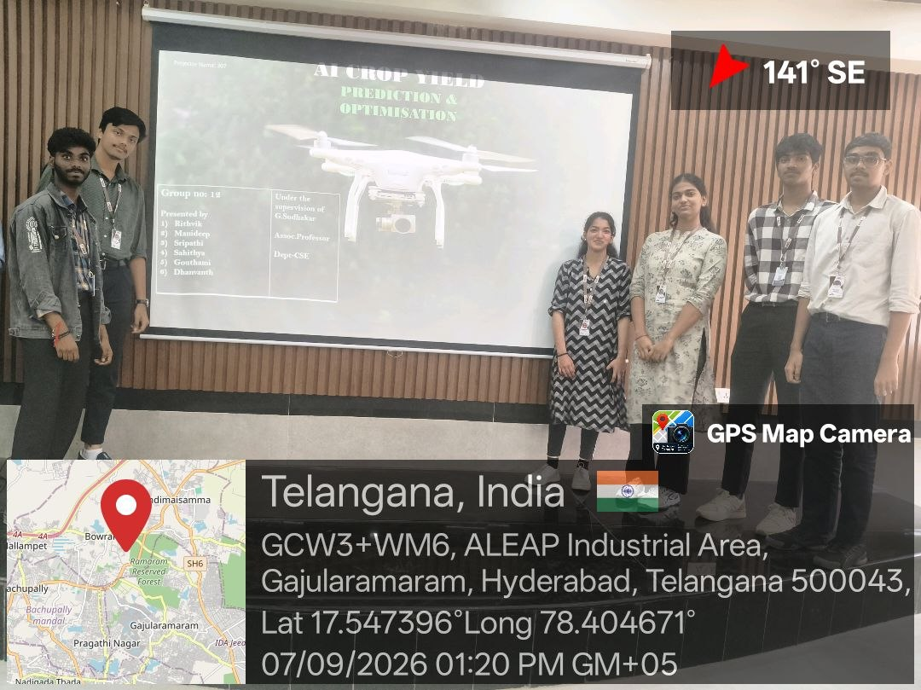
 |  |  |  |  |  |  |  | 31/08/26 | 4/9/26 | 7/9/26 | 11/9/26 | 14/9/26 | 18/9/26 | 21/9/26 | 05/10/2026
 |  |  |  |  |  |  |  | Lecture | Analysis | Design | ANALYSIS | Lecture | Brainstorming | Lecture | Presentation Session
 |  |  |  |  |  |  |  | Lecture | Ideation | Design | ANALYSIS | Lecture | Brainstorming | Lecture | Presentation Session
 |  |  |  |  |  |  |  | Lecture | Brainstorm | Design | ANALYSIS | Lecture | Brainstorming | Lecture | Presentation Session
 |  |  |  |  |  |  |  | Lecture | Analysis | Design | ANALYSIS | Lecture | Brainstorming | Lecture | Presentation Session
 |  |  |  |  |  |  |  | Lecture | Analysis | Design | ANALYSIS | Lecture | Brainstorming | Lecture | Presentation Session
 |  |  |  |  |  |  |  | Lecture | Analysis | Design | ANALYSIS | Lecture | Brainstorming | Lecture | Presentation Session

group 13
 |  |  |  |  |  |  |  |  |  |  |  |  |  |  |  |  |  |  |  |  | Active Participation | Total(30) | Continuous Evaluation -Project | Total(30) | Field-study Review | Total(30)
 |  |  |  |  |  |  |  |  |  |  |  |  |  |  |  |  |  |  |  |  | CO1+CO2+CO3 |  | CO1+CO2+CO3 |  | CO1+CO2+CO3
Si No. | Name | Roll No | Group No | Title of the problem Statement | Section | Cluster | No of students in Group | 10/08/2026 | 14/08/2026 | 17/08/2026 | 21/08/2026 | 24/08/2026 | 28/08/2026 | 31/08/2026 | 04/09/2026 | 07/09/2026 | 11/09/2026 | 14/09/2026 | 18/09/2026 | 21/09/26
1 | Laxmi narashimha - 5 | 2620090066 | 13 | Real life solution of Waste management | 13 | 4 | 7 | Discussing to title selection | planning | Discussion on the project | discussed about ppt concept | PPT making | ppt analyze | workout activity | planning for ppt | Reasearch on project | prepared ppt | presenting ppt | group discussion | Class | 9 + 8+ 9 | 26 | 9 + 8+ 7 | 25
2 | D Ganesh - 5 | 2620030371 | 13 | Real life solution of Waste management | 13 | 4 | 7 | Discussing to title selection | reasearch | Discussion on the project | discussed about ppt concept | PPT making | ppt analyze | workout activity | reasearch for solutions | Reasearch on project | prepared ppt | presenting ppt | group discussion | Class | 9 + 8+ 8 | 25 | 9 + 7+ 9 | 25
3 | Dhaval - | 2620030431 | 13 | Real life solution of Waste management | 13 | 4 | 7 | Discussing to title selection | Design | Discussion on the project | discussed about ppt concept | PPT making | ppt analyze | workout activity | Designing | Reasearch on project | prepared ppt | presenting ppt | group discussion | Class | 9 + 9+ 10 | 28 | 9 + 8+ 10 | 27
4 | laxman - 5 | 2620030523 | 13 | Real life solution of Waste management | 13 | 4 | 7 | Discussing to title selection | planning | Discussion on the project | discussed about ppt concept | PPT making | ppt analyze | workout activity | planning | Reasearch on project | prepared ppt | presenting ppt | group discussion | Class | 9 + 7+ 9 | 25 | 9 + 8+ 9 | 26
5 | Bhavani shankar - 5 | 2620080105 | 13 | Real life solution of Waste management | 13 | 4 | 7 | Discussing to title selection | practical | Discussion on the project | discussed about ppt concept | PPT making | ppt analyze | workout activity | practical workout activity | Reasearch on project | prepared ppt | presenting ppt | group discussion | Class | 9 + 8+ 5 | 25 | 9 + 8+ 9 | 26
6 | R.Yashwanth - 5 | 2620090140 | 13 | Real life solution of Waste management | 13 | 4 | 7 | Discussing to title selection | analysis | Discussion on the project | discussed about ppt concept | PPT making | ppt analyze | workout activity | analysis on work | Reasearch on project | prepared ppt | presenting ppt | group discussion | Class | 9 + 8+ 9 | 26 | 9 + 7+ 9 | 25
7 | J.Likith - 5 | 2620040104 | 13 | Real life solution of Waste management | 13 | 4 | 7 | Discussing to title selection | Verification | Discussion on the project | discussed about ppt concept | PPT making | ppt analyze | workout activity | Verifying on work done | Reasearch on project | prepared ppt | presenting ppt | group discussion | Class | 8+8+8 | 24

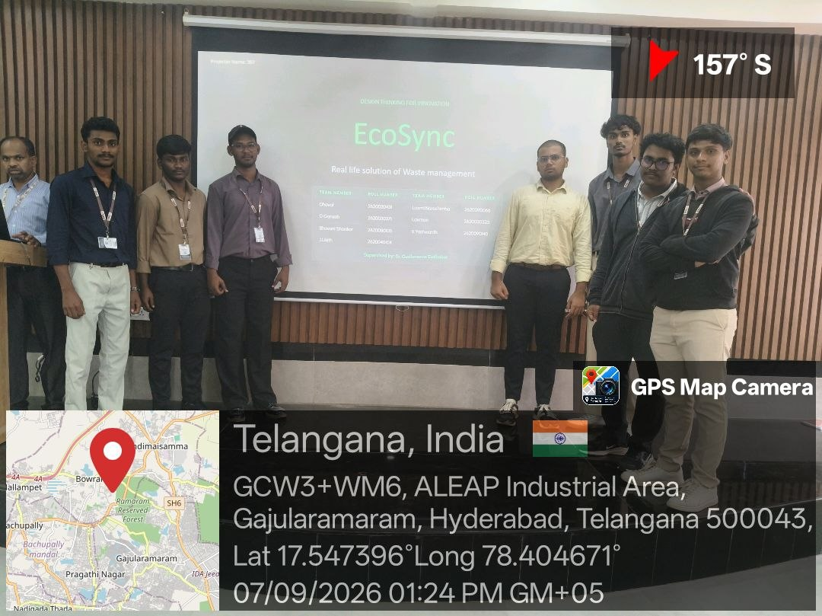
 |  |  |  |  |  |  |  |  | 11/9/26 | 14/9/26 | 18/9/26 | 21/9/26 | 05/10/2026
 |  |  |  |  |  |  |  |  | ANALYSIS | Lecture | Brainstorming | Lecture | Presentation Session
 |  |  |  |  |  |  |  |  | ANALYSIS | Lecture | Brainstorming | Lecture | Presentation Session
 |  |  |  |  |  |  |  |  | ANALYSIS | Lecture | Brainstorming | Lecture | Presentation Session
 |  |  |  |  |  |  |  |  | ANALYSIS | Lecture | Brainstorming | Lecture | Presentation Session
 |  |  |  |  |  |  |  |  | ANALYSIS | Lecture | Brainstorming | Lecture | Presentation Session
 |  |  |  |  |  |  |  |  | ANALYSIS | Lecture | Brainstorming | Lecture | Presentation Session

